Section 3
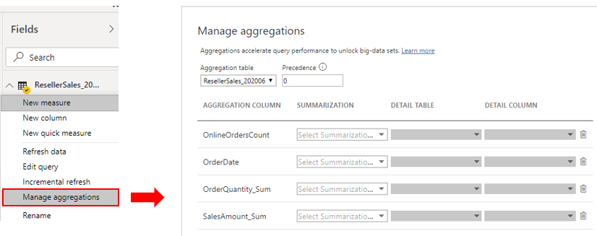
Status | Item No | Serial No | Topic
 | 1 | 3 | Modeling Data and DAX | https://learn.microsoft.com/en-us/training/paths/model-data-power-bi/
Green | 2 | 3.1 | Design Semantic Model in PowerBI | Creating Relationships, Star Schema Fact Table, Dimension Table Configure semantic model and build relationships between tables Configure table and column properties
Green | 3 | 3.1.1 | Work with tables | Configure semantic model and build relationships between tables | Have merged or appended tables to simplify the tables within your data structure.
Green | 4 |  |  | Configure table and column properties Edit the name and description of the column. Add synonyms that can be used to identify the column when you are using the Q&A feature. Add a column into a folder to further organize the table structure. Hide or show the column. | Under the Advanced tab, you can: Sort by a specific column. Assign a specific category to the data. Summarize the data. Determine if the column or table contains null values.
Green | 5 | 3.1.2 | Date table | Create a common date table Source data DAX - CALENDARAUTO() or CALENDAR() Power Query = List.Dates(#date(2011,05,31), 365*10, #duration(1,0,0,0)) Mark as the official date table | Selecting Mark as date table will remove autogenerated hierarchies from the Date field in the table that you marked as a date table. For other date fields, the auto hierarchy will still be present until you establish a relationship between that field and the date table or until you turn off the Auto Date/Time feature. You can manually add a hierarchy to your common date table by right-clicking the year, month, week, or day columns in the Fields pane and then selecting New hierarchy. This process is further discussed later in this module.
Green | 6 |  |  | Year = YEAR(Dates[Date]) MonthNum = MONTH(Dates[Date]) WeekNum = WEEKNUM(Dates[Date]) DayoftheWeek = FORMAT(Dates[Date], "DDDD")
Green | 7 | 3.1.3 | Work with dimensions | You can drill down on the visual to view both Category and Subcategory, depending on what you want to see. Hierarchies allow you to view increasing levels of data on a single view. Role Playing Dimensions | Flatten parent-child hierarchy Path = PATH(Employee[Employee ID], Employee[Manager ID]) You will use PATH(), a simple DAX function that returns a text version of the managerial path for each employee, and PATHITEM() to separate this path into each level of managerial hierarchy. Level 1 = PATHITEM(Employee[Path],1)
Green | 8 |  | Define data granularity | Change data granularity to build a relationship between two tables | average, last, above / below threshold
⭐⭐⭐ | 9 |  | Work with relationships and cardinality |  | https://learn.microsoft.com/en-us/training/modules/design-model-power-bi/6-relationships-cardinality
 | 10 |  | Resolve modeling challenges | a common pitfall that you might encounter are circular relationships.
 | 11 | 3.2 | Write DAX formulas for Power BI Desktop models | Calculated tables Calculated columns Measures | Notes_Data_Science/3 Power BI.ipynb at main · prathamesh0902/Notes_Data_Science · GitHub
 | 12 | 3.2.1 | Write DAX formulas | Formulas are assembled by using: DAX functions DAX operators References to model objects Constant values, like the number 24 or the literal text "FY" (abbreviation for fiscal year) DAX variables Whitespace | Revenue YoY % = DIVIDE( [Revenue] - CALCULATE( [Revenue], SAMEPERIODLASTYEAR('Date'[Date]) ), CALCULATE( [Revenue], SAMEPERIODLASTYEAR('Date'[Date]) ) )
 | 13 | 3.2.2 | DAX Data Types | The BLANK data type deserves a special mention. DAX uses BLANK for both database NULL and for blank cells in Excel. BLANK doesn't mean zero. Perhaps it might be simpler to think of it as the absence of a value. Two DAX functions are related to the BLANK data type: the BLANK DAX function returns BLANK, while the ISBLANK DAX function tests whether an expression evaluates to BLANK.
 | 14 | 3.2.3 | Work with DAX functions | However, many functions exist that you won't find in Excel because they're specific to data modeling: Relationship navigation functions Filter context modification functions Iterator functions Time intelligence functions Path functions | Functions that don't originate from Excel Two useful DAX functions that aren't specific to modeling and that don't originate from Excel are DISTINCTCOUNT and DIVIDE.
 | 15 | 3.2.4 | Use DAX Operators
 | 16 | 3.2.5 | Use DAX variables | Improving the readability and maintenance of your formulas. Improving performance because variables are evaluated once and only when or if they're needed. Allowing (at design time) straightforward testing of a complex formula by returning the variable of interest. | Revenue YoY % = VAR RevenuePriorYear = CALCULATE( [Revenue], SAMEPERIODLASTYEAR('Date'[Date]) ) RETURN DIVIDE( [Revenue] - RevenuePriorYear, RevenuePriorYear )
 | 17 | 3.3 | Measures, Calculated Columns and Calculated Tables
 | 18
 | 19
 | 20 | 3.4 | Filter context
 | 21
 | 22
 | 23
 | 24 | 3.5 | DAX time intelligence functions
 | 25
 | 26 | 3.6 | Optimizing Model Performance
Amber | 27 | 3.6.1 | Review the performance of measures, relationships, and visuals. - Performance analyzer | clear visual cache and a clear data engine cache.
Amber | 28 |  | Resolve issues and optimize performance
Green | 29 | 3.6.2 | Use variables to improve performance and troubleshooting | Improved performance Improved readability - Using clear, concise, meaningful names Simplified debugging Reduced complexity | Sales YoY Growth % = VAR SalesPriorYear = CALCULATE([Sales], PARALLELPERIOD('Date'[Date], -12, MONTH)) VAR SalesPriorYear% = DIVIDE(([Sales] - SalesPriorYear), SalesPriorYear) RETURN SalesPriorYear%
Green | 30 | 3.6.3 | Improve performance by reducing cardinality levels. | Many-to-one (*:1) - This relationship is the most common, default type. It means that the column in one table can have more than one instance of a value, and the other related table, often known as the lookup table, has only one instance of a value. One-to-one (1:1) - In this relationship type, the column in one table has only one instance of a particular value, and the other related table has only one instance of a particular value. | One-to-many (1:*) Many-to-many (:) - With composite models, you can establish a many-to-many relationship between tables, which removes requirements for unique values in tables. It also removes previous workarounds, such as introducing new tables only to establish relationships.
Green | 31 |  | Distinct values count - The total number of different values found in a given column. Unique values count - The total number of values that only appear once in a given column. | Identify cardinality levels in columns - Column Distribution in Power Query 1. a summary table would contain one record per day, per week, or per month - group by date, customer, and product 2. Deciding to summarize fact-type data will always involve a tradeoff with the detail of your data. 3. Mixed mode design produces a composite model - allows you to determine a storage mode for each table. Therefore, each table can have its Storage Mode property set as Import or DirectQuery. | 4. An effective technique to reduce the model size is to set the Storage Mode property for larger fact-type tables to DirectQuery. This design approach can work well in conjunction with techniques that are used to summarize your data. For example, the summarized sales data could be used to achieve high performance "summary" reporting. A drill-through page could be created to display granular sales for specific (and narrow) filter context, displaying all in-context sales orders. The drill-through page would include visuals based on a DirectQuery table to retrieve the sales order data (sales order details). | 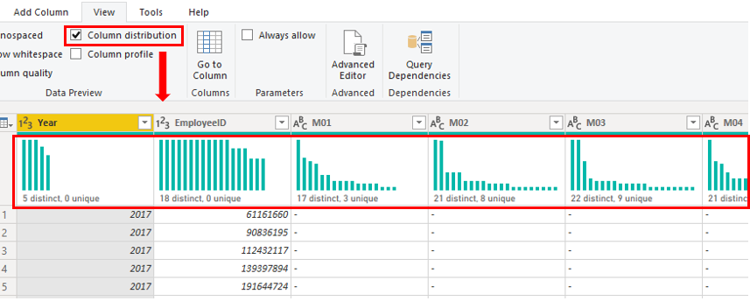
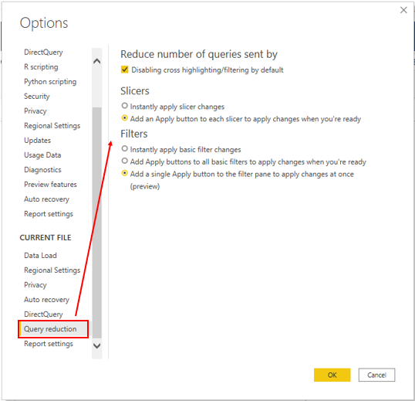
Red | 32 | 3.6.4 | Optimize DirectQuery models with table level storage. | the overall user experience depends heavily on the performance of the underlying data source. Slow query response times will lead to a negative user experience and, in the worst-case scenarios, queries might time out Also, the number of users who are opening the reports at any one time will impact the load that is placed on the data source. For example, if your report has 20 visuals in it and 10 people are using the report, 200 queries or more will exist on the data source because each visual will issue one or more queries. other uncontrollable factors - network latency, server refresh | Implications of using DirectQuery It is suitable in cases where data changes frequently and near real-time reporting is required. It can handle large data without the need to pre-aggregate. It applies data sovereignty restrictions to comply with legal requirements. It can be used with a multidimensional data source that contains measures such as SAP Business Warehouse (BW).
⭐⭐⭐ | 33 |  |  |  | https://learn.microsoft.com/en-us/training/modules/optimize-model-power-bi/5-directquery-models
Green | 34 |  | Customize the Query reduction options
Green | 35 | 3.6.5 | Create and manage aggregations | summarize all sales data and group it by date, customer, product, and so on. Aggregated data is cached and, therefore, uses a fraction of the resources that are required for detailed data. If you are experiencing a slow refresh, aggregations will help you speed up the refresh process. The smaller cache size reduces the refresh time, so data gets to users faster | create a aggregated table in DB, then import create a aggregated view in DB, then import Power Query Editor > create aggregations Choose Columns Group By | Similar to Reducing cardinality in 31 ? | 